Instructions
JAIPURIA INSTITUTE OF MANAGEMENT, NOIDA
PGDM - Section E
TRIMESTER II (Batch 2025-27)
END TERM EXAMINATIONS
Course Name | CORPORATE FINANCE | Course Code | 20202 | Que No | Marks
Max. Time | 2 Hours | Max. Marks | 40 | 1
INSTRUCTIONS: |  |  |  | 2
Attempt all Questions. All questions need to done in an excel file with separate sheets for each question. |  |  |  | 3
 | Name |  |  | 4a
 | Roll number |  |  | 4b
 |  |  |  | Total | 0
INSTRUCTIONS:
Hand written note / paper / any other material, mobile phone, and scientific watch are strictly prohibited during the examination. Disciplinary action will be taken if any examinee is found to carry / use any such material.
All parts of the same question must be answered in the same place. For example, if the question 2 contains 3 parts – (a), (b) and (c), the answers to each part must be given sequentially in the same place.
Exchange of calculator is strictly prohibited.
Step by step all workings must be shown clearly without which marks will not be awarded.
Extreme caution has been taken in making the questions. There is no ambiguity in the question paper. Hence do not ask for any explanation from the invigilator. Still if you feel that there exists room for any assumption then write the same clearly. However, illogical assumptions will be ignored.

Ques-1
Ques -1 | (CO 2; BT Level IV) (Marks: 10)

Zenith Auto Components Ltd. (ZACL) is a Pune-based manufacturer of precision components for electric vehicles. The firm is contemplating the installation of a new automated assembly line to cater to rising demand from EV manufacturers. After a detailed feasibility study, the following information has been made available:
Initial cost of the new assembly line – ₹18,00,000
Expected operating life – 5 years
Selling price per unit – ₹15.00
Operating cost per unit (excluding depreciation) – ₹9.40
Anticipated annual sales volume – 120,000 units
Annual depreciation under SLM – ₹320,000
Expected residual value at the end of Year 5 – ₹80,000
Corporate income tax rate – 25%
Firm’s cost of capital – 12%
Analyse the NPV of the expansion project.

Ques-2
Ques -2 |  | (CO 2; BT Level IIII & V) (Marks: 6 + 2+ 2= 10 marks)

 | Orion Industries is considering four independent projects of similar risk:
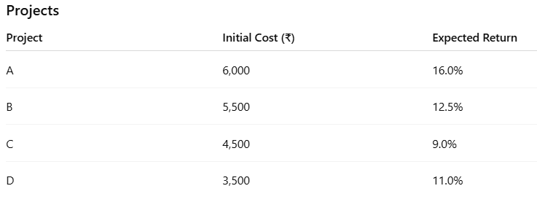

 | Additional Information: 8-year bonds, face value ₹1,000, coupon rate 8%, market price ₹920 Corporate tax rate: 25% Preferance share dividend: ₹5; market price of preferance shares ₹62.50 Equity share price: ₹32; expected dividend ₹2.40; growth rate 4% Capital structure required: Equity 65%, Debt 20%, Preferance share 15% Required: a) Estimate the specific costs of each source of fund. b) Determine Weighted Average Cost of Capital of Orion Industries. c) Identify one or more acceptable projects out of the four projects (that is, A,B,C,D) that the company should accept with the WACC determined.

Ques-3
Ques 3 | (CO 2; BT Level IV & V ) (Marks: 4 + 5 + 1 = 10 marks)
Rudra Technologies Ltd. is a rapidly growing technology-driven manufacturing firm operating in a highly competitive market. To finance its operations, the company has raised ₹12,00,000 through equity shares of ₹10 each, ₹4,00,000 through 9% preference shares, and ₹6,00,000 through 11% debentures.
During the financial year, the company reported total sales of ₹40,00,000. Analysis of its cost structure shows that variable costs constitute 45% of sales, while fixed operating costs are ₹6,00,000 annually. The applicable corporate tax rate is 35%.
The board of directors is concerned about the firm’s high fixed cost and fixed financial commitment structure and wants a detailed leverage analysis before approving further expansion plans.
1. Determine the EPS of Rudra Technologies at the current level of operations
2. Analyse the firm's operating, financial, and combined leverage.
3. If company wants to increase its EBIT by 60%, determine how much of rise in sales would be needed on a percentage basis.

Ques-4a
Ques 4a | (CO 2 ; BT Level V ) (Marks: 2.5 +2.5 = 5 marks )

Crestline Industries Ltd. has 12 lakh equity shares of ₹10 face value, currently priced at ₹75 per share. The company announces a bonus issue in the ratio of 1:3. You are required to:
a) Estimate the number of equity shares after the bonus issue.
b) Determine the the market price per share after the bonus issue.

Ques-4b
Ques 4b | (CO 3 ; BT Level- V ) (Marks: 4 + 1=5 marks)

Asian Paints Ltd. reports the following annual figures: average inventory ₹3,800 crore, cost of goods sold (COGS) ₹18,500 crore, average accounts receivable ₹2,600 crore, annual credit sales ₹22,000 crore, and average accounts payable ₹1,900 crore.
a) Using a 365‑day year, estimate the firm’s Days Sales of Inventory (DSI), Days Sales Outstanding (DSO), Days Payables Outstanding (DPO), and overall Cash Conversion Cycle (CCC).
b) Based on your results, recommend two specific measures to improve inventory and receivables management if the CCC of Asan Paints is higher than the industry benchmark.

