Q 3
Q 3 |  |  | (1,1,1,1,1) | 5 marks

 | Daily price candlesticks chart of Maruti Suzuki Iindia Ltd as on 14th Oct 2022 is given below:
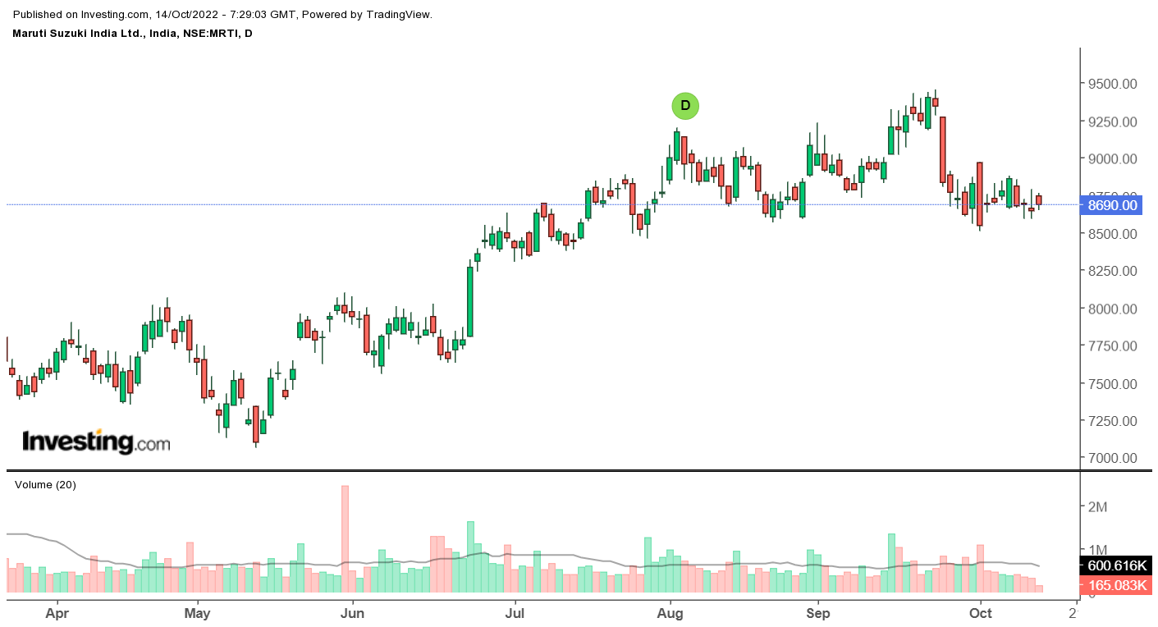

 | Locate the following Candlestick patterns in the given graph, explaining the features and implication on price behaviour as justified by the chart:
 | 1 | Spinning Top
 | 2 | Paper Umbrella
 | 3 | Shooting Star
 | 4 | Dark Cloud Cover
 | 5 | Doji

