Q 3
Q 3 |  |  | (1,1,1,1,1) | 5 marks | 5 marks

 | Daily price candlesticks chart of State Bank of India as on 14th Oct 2022 is given below:
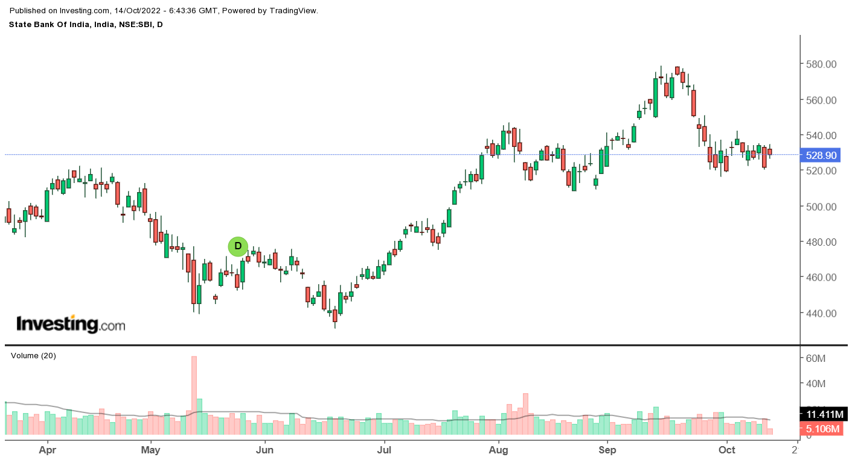

 |  | Locate the following Candlestick patterns in the given graph, explaining the features and implication on price behaviour as justified by the chart:

 | 1 | Engulfing Pattern
 | 2 | Doji
 | 3 | Hammer
 | 4 | Harami
 | 5 | Gaps

